Sheet1
Test Scenario ID | Test Scenarios | ID: Test Case Description | Pre Conditions | Test steps: | Test data: | Expected results: | Status | Acutal Results | Screenshots
TS_001 | Verify Add New functionality in the Language module with valid Sign-In credentials. | TC_001 Verify user is able to sign in with valid Email address and valid password and access the Language module in the Profile page. | 1. User enter Mars QA portal URL in the Chrome web browser. 2. Existing user navigate to Login Mars portal. 3. User navigate to profile Module. | 1. User enter Mars QA portal URL in the Chrome web browser. 2. Existing user navigate to Sign -In Mars portal. 3. User enter valid Email address and valid password. 4. User click on Login button. 5. User verify Language module in the profile page. 6. User click on Add New button in the Language Module. 7. User veiw the required fields(Add Language Textbox, Choose Language level dropdown list, Add button and Cancel button). | http://localhost:5000/ username =pb842253@gmail.com password = @pb123456 | 1. User should be able to Mars sign in page successfully. 2. User should be able to view Language tab in the profile page and Click on Add New button. 3. User should be able to view all the fields. | Pass | same as Expected result.

 |  | TC_002 Verify user is able to create a new Language record by clicking on ADD button. | 1. User enter Mars QA portal URL in the Chrome web browser. 2. Existing user navigate to Sign In Mars portal. 3. User navigate to profile Module. 4. User navigate to Language Module. 5. User click on Add New button | 1. Enter Language in the Language Textbox. 2. select Language level from the choose Language Level drop-down list. 3. Click on Add button. | Language = English Language Level = Basic | User should be able to view language in the list and also message as "English has been added to your languages" | Pass | same as Expected result.
 |  |  |  | User enter Language in the Language Textbox. | Language = English | User should be able to check Language Textbox functionality. | Pass | same as Expected result.
 |  | TC_003 Verify user is able to check Language Textbox functionality.
 |  | TC_004 Verify user is able to check Language Level dropdown list functionality. |  | User select Language Level in the Language Level Dropdown list. | Language Level = Basic | User shoul able to check Language Level dropdown list functionality. | Pass | same as Expected result.
 |  | TC_005 Verify user is able to check Cancel button functionality. |  | Click on Cancel button. |  | User should able to check Cancel button functionality. | Pass | same as Expected result.
 |  | TC_006 Verify user is able to create a new Language without data by clicking on ADD button. |  | User click on Add button without data in Language Textbox and Language level. |  | User should be able to view the error message as "Please enter language and level" | Pass | same as Expected result.
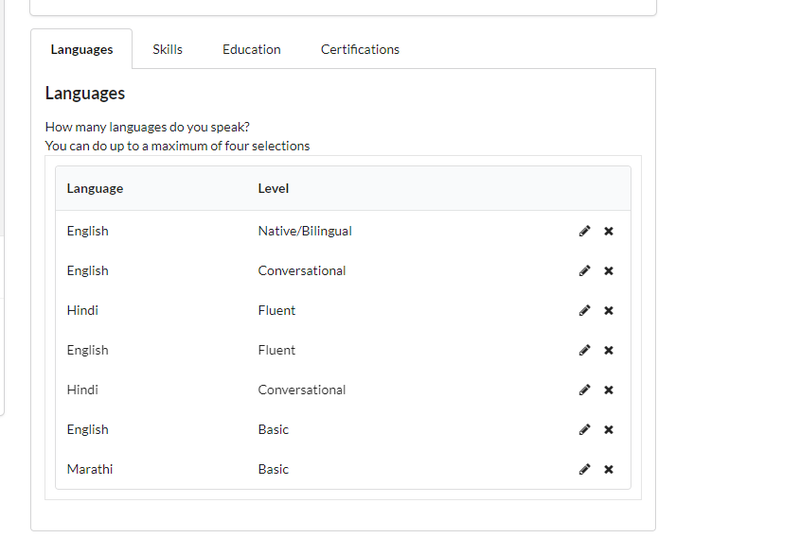
 |  | TC_007 Verify user is able to create a Language with duplicate data by clicking on ADD button. |  | User enter same language and language level by clicking on Add button | Language = English Language Level = Basic | User should be able to view the error message as "Duplicate data" | Pass | same as Expected result.
 |  | TC_008 Verify user is able to check the limit of the Language list. |  | Add new button is not avaliable after enter fourth language in the list. | Language = English Language Level = Basic Language = Hindi Language Level = Conversational Language = Japanese Language Level = Native/Bilingual Language = $@#nch Language Level =Fluent | User should not be able to view the limit of the language list(4) | Pass | Pass

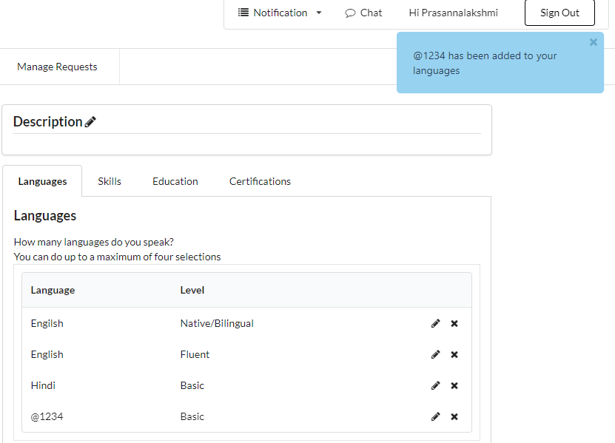
 |  | TC_009 Verify user is able to add a new language with invalid input. | 1. User enter Mars QA portal URL in the Chrome web browser. 2. Existing user navigate to Sign In Mars portal. 3. User navigate to profile Module. 4. User navigate to Language Module. | 1. Enter invalid data in the Language Textbox. 2. Choose any language level. 3. Click on Add button. | Language = @1234 Language level = Basic | User should not create a new language with invalid Data. | Fail | Fail
 |  | TC_010 Verify user is able add new language record without data | 1. User enter Mars QA portal URL in the Chrome web browser and login. 2. Existing user navigate to language module in the Mars portal. | User click on Add button with null data |  | User should able to view tooltip message as "Please enter language and level" | Pass | same as Expected result.
TS_003 | Verify Edit functionality in the Language module. | TC_011 Verify user is able to edit existing record by using Edit icon. | 1. User enter Mars QA portal URL in the Chrome web browser. 2. Existing user navigate to Sign In Mars portal. 3. User navigate to profile Module. 4. User navigate to Language Module. | 1.User click on Edit icon to edit the relevant existing record. 2.Update required fields in the existing record. 3.Click on Upadte button. | Hindi to Spanish Conversational to Basic Japanese to French Native/Bilingual to Conversational | User should be able to update existing record in the Language list.. | Pass | same as Expected result.
 |  | TC_012 Verify user is able to check Cancel button functionality in the update page. |  | 1. User click on the Edit icon from the list. 2. Click on Cancel button. |  | User should be able to check Cancel functionaltity | Pass | same as Expected result.
 |  | TC_013 Verify user is able to edit existing record with the same data |  | 1.User click on Edit icon to edit the relevant existing record. 2.Update the fields with duplicate data in the existing record. 3.Click on Upadte button. | Language = English Language Level = Basic Language = English Language Level = Basic | User should be able to view the tooltip message as "This language is already exist in your language list" | Pass | Pass
TS_004 | Verify Delete functionality in the Language module. | TC_014 Verify user is able to delete the existing record from the Language list |  | User Click on the delete icon to delete the required existing language from the list. | click on delete pencil icon for Fench record | User should be able to view the tooltip message as "French has been deleted from your languages" | Pass | same as Expected result.
TS_005 | Verify Add New functionality in the Skills module with valid Sign-In credentials. | TC_015 Verify user is able to sign in with valid Email address and valid password and access the Skills module in the Profile module. | 1. User enter Mars QA portal URL in the Chrome web browser. 2. Existing user navigate to Sign In Mars portal. 3. User navigate to profile Module. | 1. User enter Mars QA portal URL in the Chrome web browser. 2. Existing user navigate to Sign -In Mars portal. 3. User enter valid username and valid password. 4. User click on Sign In button. 5. User verify homepage after Sign In. 6. User click on profile Tab in the homepage and click on Add New button in the Skill Module. 7. User veiw the required fields(Add Skill Textbox, Choose Skill level dropdown list, Add button and Cancel button). | http://localhost:5000 Email address = pb842253@gmail.com password = @pb123456 | 1. User should be able to Mars sign in page successfully. 2. User should be able to click on Profile tab in the homepage and Click on Add New button. 3. User should be able to view the required fields after click on Add New button. | Pass | same as Expected result.

 |  | TC_016 Verify user is able to create a new Skill record by clicking on ADD button. | 1. User enter Mars QA portal URL in the Chrome web browser. 2. Existing user navigate to Sign In Mars portal. 3. User navigate to profile Module. 4. User navigate to Skills Module. 5. User click on Add New button | 1. Enter Skill in the Skill Textbox. 2. select Skill level from the choose Skill Level drop-down list. 3. Click on Add button. | Skill = SpecFlow Skill Level = Beginner | User should be able to view Skills in the list and also message as "SpecFlow has been added to your Skill" | Pass | same as Expected result.

 |  | TC_017 Verify user is able to check Skill Textbox functionality. |  | User enter Skill in the Skill Textbox. | Skill = SpecFlow | User should be able to check Skill Textbox functionality. | Pass | same as Expected result.

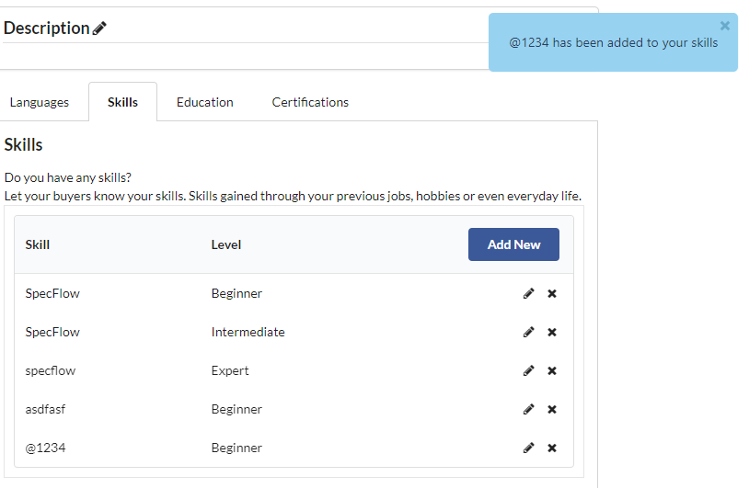
 |  | TC_018 Verify user is able to check the Skill Level dropdown list functionality. |  | User select Skill Level in the Skill Level Dropdown list. | Skill Level = Beginner | User shoul able to check the Skill Level dropdown list functionality. | Pass | same as Expected result.
 |  | TC_019 Verify user is able to check Cancel button functionality. |  | Click on Cancel button. |  | User should able to check Cancel button functionality. | Pass | same as Expected result.
 |  | TC_020 Verify user is able to create a new Skill without data by clicking on ADD button. |  | User click on Add button without data in Skill Textbox and Skill level. |  | User should be able to view the error message as "Please enter Skill and experience level" | Pass | same as Expected result.
 |  | TC_021 Verify user is able to create a new Skill record with duplicate data by clicking on ADD button. |  | User enter same Skill and Skill level by clicking on Add button | Skill = SpecFlow Skill Level = Beginner Skill = SpecFlow Skill Level = Beginner | User should be able to view the tooltip message as "This skill is already exist in your skill list" | Pass | Pass
 |  | TC_022 Verify user is able to add a new Skill with invalid input. |  | 1. Enter invalid data in the Skill Textbox. 2. Choose any Skill level. 3. Click on Add button. | Skill = @1234 Skill level = Basic | User should not create a new Skill with invalid Data. | Fail | Fail
TS_006 | Verify Edit functionality in the Skill module. | TC_023 Verify user is able to edit existing record by using Edit icon. | 1. User enter Mars QA portal URL in the Chrome web browser. 2. Existing user navigate to Sign In Mars portal. 3. User navigate to profile Module. 4. User navigate to Skill Module. | 1.User click on Edit icon to edit the relevant existing record. 2.Update required fields in the existing record. 3.Click on Upadte button. | SpecFlow to Cucumber Beginner to Intermediate GitHub to Java Intermediate to Beginner | User should be able to edit existing record in the Skill list. | Pass | same as Expected result.
 |  | TC_024 Verify user is able to check Cancel button functionality in the update page. |  | 1. User click on the Edit icon from the list. 2. Click on Cancel button. |  | User should be able to check Cancel functionaltity | Pass | same as Expected result.
 |  | TC_025 Verify user is able to edit existing record with the same data |  | 1.User click on Edit icon to edit the relevant existing record. 2.Update the fields with duplicate data in the existing record. 3.Click on Update button. | Skill = SpecFlow Skill Level = Beginner Skill = SpecFlow Skill Level = Beginner | User should not be updated with duplicate data. | Pass | Pass
TS_007 | Verify Delete functionality in the Skill module. | TC_026 Verify user is able to delete the existing record from the Skill list |  | User Click on the delete icon to delete the required existing Skill from the list. | Click on deelte pencel icon for Java record | User should be able to view the tooltip message as "Java has been deleted" | Pass | same as Expected result.

